Sheet1
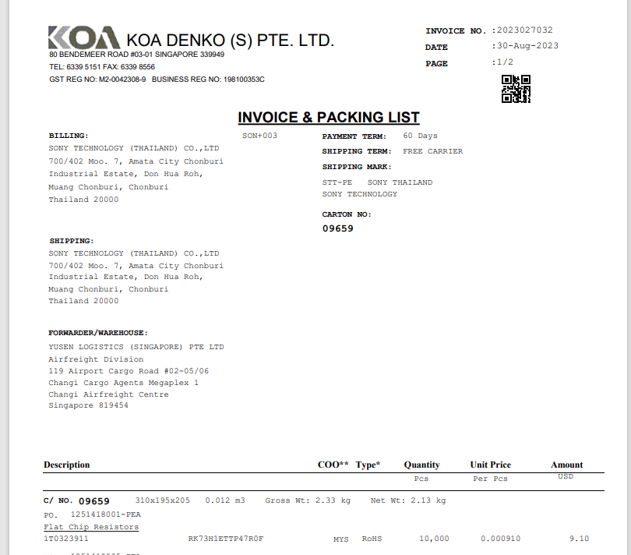
INVOICE _NO

QTY
UNIT_PRICE
AMOUNT

PO_NO

ITEM_NO

